Sheet1
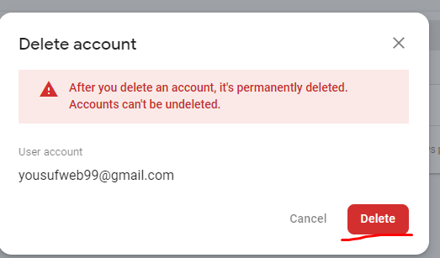
 | delete user from firebase

https://console.firebase.google.com/ |  | >simple firebase | > authentication > users> | > | … | delete account | delete

